Comp Table - Relative PE
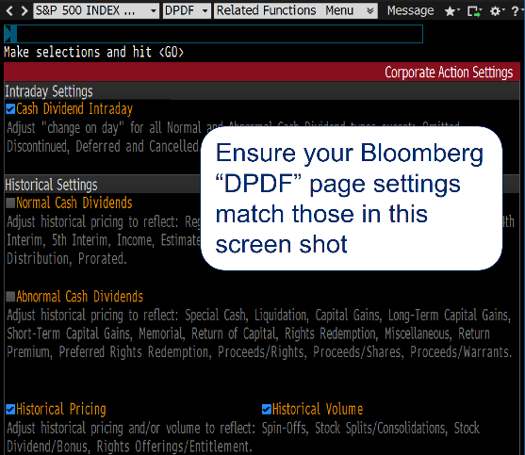
...
Historicals
3Y Historical Geom Gr EPS bef XO | 5Y Avg Historical Ret on Inv Cap | 5Yr Avg Historical Adj ROE | Nxt FY End Mo
-9% | 11% | 16% | 05/2017
626% | 25% | 40% | 09/2017
1% | 27% | 0% | 12/2017
-58% | 19% | 20% | 12/2017
0% | 0% | 0% | 12/2017
15% | 10% | 17% | 05/2017
50% | 6% | 15% | 09/2017
20% | 77% | 0% | 12/2017
-3% | 21% | 28% | 12/2017
16% | 8% | 0% | 12/2017
17% | 17% | 30% | 07/2017
60% | 4% | 8% | 12/2017
13% | 14% | 15% | 12/2017
25% | 15% | 0% | 09/2017
10% | 19% | 20% | 12/2017
Note: There is an array formula (in column AH or AQ), which can cause problems to the valuation section if not formatted correctly. If a problme occurs, copy the formula from a prior version when it was working correctly.
20% | 28% | 0% | 12/2017
10% | 15% | 17% | 12/2017
221% | 8% | 14% | 01/2018
15% | 20% | 0% | 06/2017
-40% | 9% | 49% | 12/2017
-27% | 6% | 11% | 04/2017
Elements to add:
* Equity turnover currency
* Market cap
0% | 0% | 0% | 12/2017
27% | 12% | 0% | 08/2017
13% | 8% | 32% | 12/2017
37% | 8% | 11% | 12/2017
-1% | 23% | 0% | 12/2017
22% | 0% | 0% | 12/2017
15% | 0% | 0% | 12/2017
-27% | 7% | 11% | 12/2017
11% | 24% | 20% | 12/2017
17% | 12% | 0% | 12/2017
0% | 0% | 0% | 12/2017
0% | 0% | 0% | 12/2017
0% | 3% | -8% | 12/2017
15% | 10% | 11% | 12/2017
...

