Comp Table - Relative PE
1. Open this on a computer running Bloomberg
2. Update the ticker in cell A20 for your stock
3. The Relative P/E table to the left and the comp table below should automatically update

Ticker | Current Price | Forward (NTM) EPS | P/E | Relative P/E Ratio
SPX (S&P 500) | 2669.91 | 161.82 | 16.5x | N/A
MCD | $161.15 | $8.01 | 20.1x | 122%
FDX | $246.94 | $17.94 | 13.8x | 83%
NKE | $79.75 | $2.75 | 29.0x | 176%
UPS US Equity | $121.80 | $7.68 | 15.9x | 96%

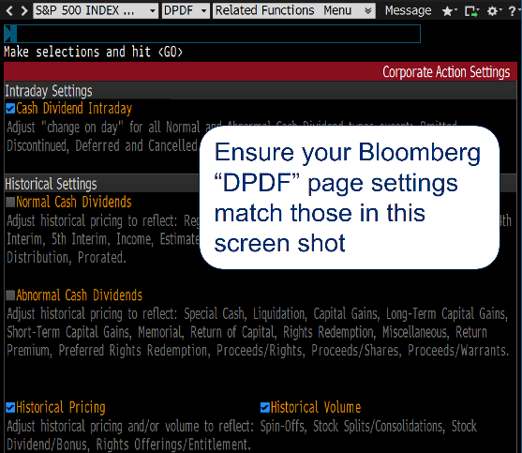
Index for relative valuation:
SPX Index |  | S&P 500 INDEX | $2,850.13 | 0.3% |  |  |  |  |  |  |  |  |  |  |  |  |  |  |  |  |  |  | $171.69 |  |  |  |  |  |  |  | 16.6

Descriptors |  |  | Trading |  |  |  | View Towards Stock |  |  |  |  | Data Validation |  |  |  |  |  | Forecasts |  |  |  |  |  |  |  |  |  |  |  |  | Valuation |  |  |  |  |  |  |  |  |  | Historicals
Ticker | GICS SubInd Name | Short Name | Curr Px | Pct Chg on Day | Equity Turnover (trading volume) | Shrt Int Ratio | Price target | Percent change to price target | Conviction level (5=highest) | Rating (if applicable) | Consus Recmd (5=buy) | Curr Year Num Est | Next Year Num Est | FY3 Num Est | NTM EPS Std Dev | BEst EEPS Nxt Yr Std Dev | BEst EEPS FY3 Std Dev | Analyst's FY1 estimate | Analyst's NTM esitmate | Analyst's FY2 estimate | Analyst's FY3 estimate | Consnss EPS Curr Yr | Consnss NTM EPS | Consnss FY2 | Consnss FY3 | Analyst vs. Consnss NTM | Analyst vs. Consnss FY2 | Analyst vs. Consnss FY3 | Growth of Analysts' FY2 vs. FY1 | Growth of Analysts' FY3 vs. FY2 | Valuation using analyst's NTM estimate | Valuation using analyst's FY2 estimate | Valuation using analyst's FY3 estimate | Relative Valuation using analyst's NTM estimate | Relative Valuation using analyst's FY2 estimate | Relative Valuation using analyst's FY3 estimate | Median of historical blended 12-month forward-looking relative valuation over past 10 years | Current relative valuation (on NTM forecast) compared to historical relative valuation | Current relative valuation (on FY2 forecast) compared to historical relative valuation | Current relative valuation (on FY3 forecast) compared to historical relative valuation | 3Y Historical Geom Gr EPS bef XO | 5Y Avg Historical Ret on Inv Cap | 5Yr Avg Historical Adj ROE | Nxt FY End Mo
MCD US Equity | Restaurants | MCDONALDS CORP | $161.15 | -0.4% | $406,669,200 | 2% |  |  |  |  | 4.3 | 26 | 33 | 11 | 11% | 11% | 24% | $7.66 | 8.01 | $8.21 | $8.85 | $7.66 | $8.01 | $8.21 | $8.85 | 0% | 0% | 0% | 7.2% | 7.8% | 20.1 | 19.6 | 18.2 | 121% | 118% | 110% | 120% | 1% | -2% | -11% | 10% | 19% | 0% | 12/2018
FDX US Equity | Air Freight & Logistics | FEDEX CORP | $246.94 | 0.3% | $198,281,800 | 2% |  |  |  |  | 4.6 | 29 | 26 | 6 | 24% | 55% | 52% | $17.37 | 17.95 | $20.05 | $22.55 | $17.37 | $17.94 | $20.05 | $22.55 | 0% | 0% | 0% | 15.4% | 12.4% | 13.8 | 12.3 | 11.0 | 83% | 74% | 66% | 102% | -20% | -28% | -36% | 67% | 11% | 20% | 05/2019
NKE US Equity | Footwear | NIKE INC -CL B | $79.75 | -0.4% | $720,386,800 | 2% |  |  |  |  | 3.9 | 37 | 35 | 15 | 11% | 12% | 18% | $2.66 | 2.75 | $3.11 | $3.69 | $2.66 | $2.75 | $3.11 | $3.69 | 0% | 0% | 0% | 17.3% | 18.4% | 29.0 | 25.6 | 21.6 | 174% | 154% | 130% | 140% | 34% | 14% | -10% | 7% | 22% | 30% | 05/2019
UPS US Equity | Air Freight & Logistics | UNITED PARCEL-B | $121.80 | 0.6% | $289,272,300 | 3% |  |  |  |  | 3.6 | 25 | 25 | 12 | 13% | 18% | 45% | $7.25 | 7.68 | $7.93 | $8.54 | $7.25 | $7.68 | $7.93 | $8.54 | 0% | 0% | 0% | 9.3% | 7.8% | 15.9 | 15.4 | 14.3 | 96% | 93% | 86% | 119% | -24% | -27% | -33% | 19% | 24% | 301% | 12/2018

Note: There is an array formula (in column AH or AQ), which can cause problems to the valuation section if not formatted correctly. If a problme occurs, copy the formula from a prior version when it was working correctly.

